Welcome
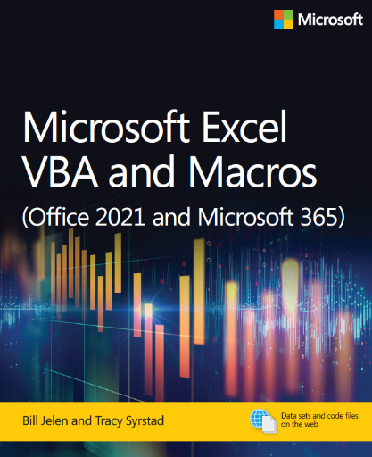
Microsoft Excel VBA and Macros (Office 2021 and Microsoft 365)
by Bill Jelen and Tracy Syrstad
ISBN 978-0-13-752152-4

Chapter 12 - Pivot Tables

All of the macros use the data on the PivotTable worksheet

To run a macro, left-click the button.
To view code, right-click, Assign Macro, Press Edit button.

 | Run this after running the first button.
 | When you get the error, choose either End or Debug
 | If you choose Debug, use Run - Reset to exit Debug mode.

 | This code overstates sales by $154 Million

 | By hiding the components of the calculation,
 | the overstatement is gone.

 | This will create three new workbooks.
 | Feel free to close without saving

 | Sum, Average, Count
 | Also Sort Order Manually

 | This macro is compatible with Excel 97

